Feature corrolation
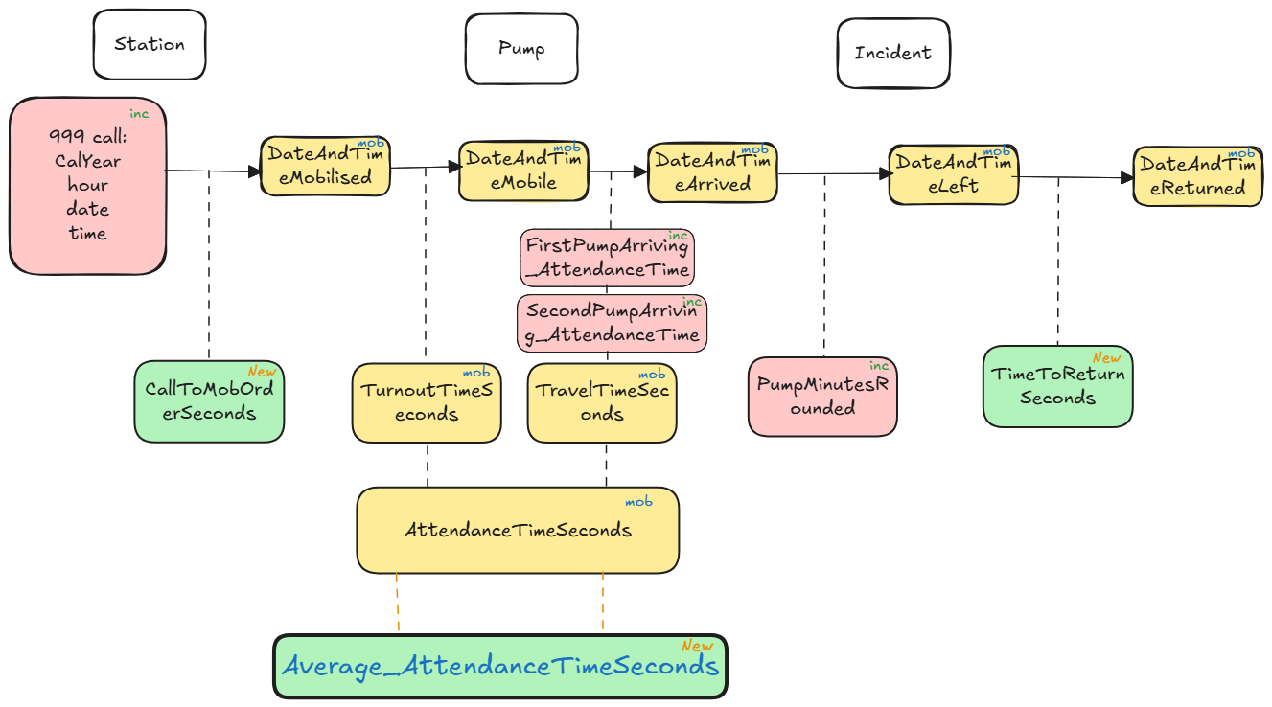
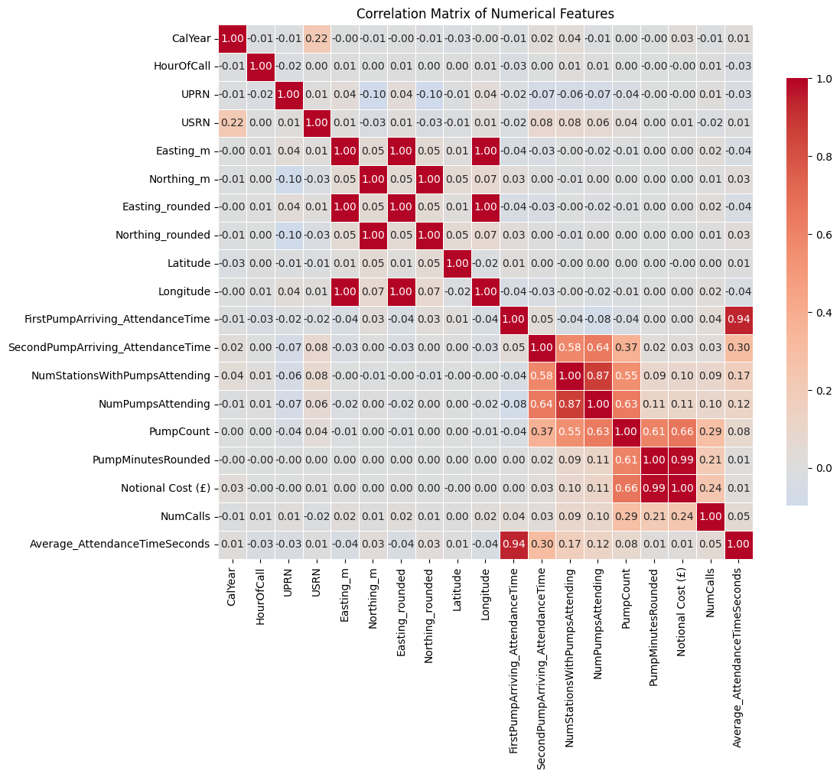
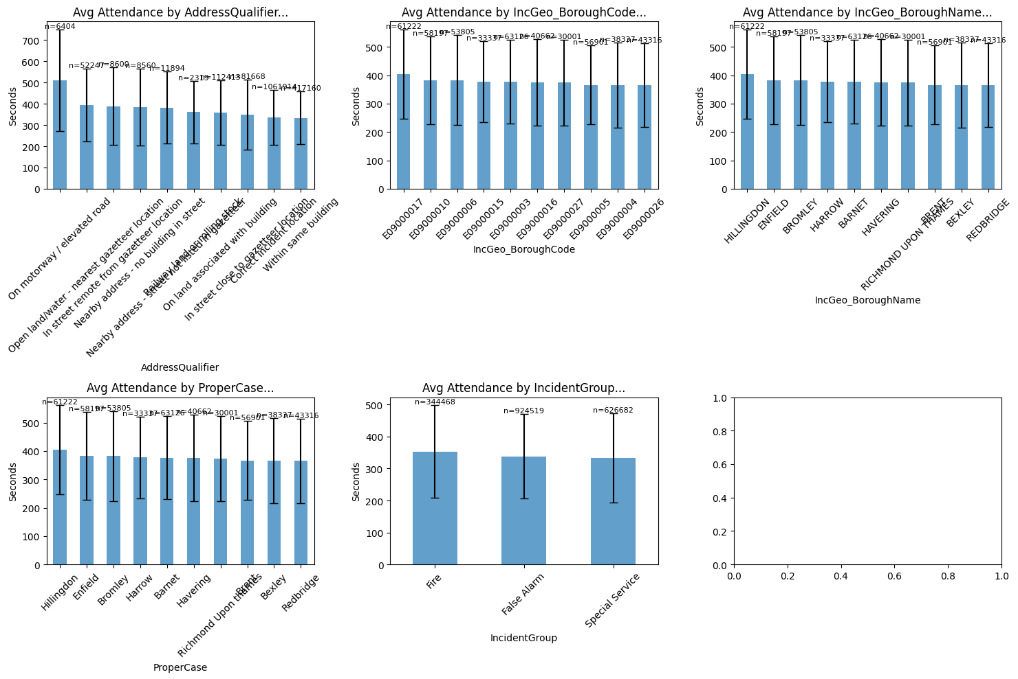
Feature | corrolation percentage
Average_AttendanceTimeSeconds | 1
FirstPumpArriving_AttendanceTime | 0.937305
SecondPumpArriving_AttendanceTime | 0.301478
NumStationsWithPumpsAttending | 0.165887
NumPumpsAttending | 0.120655
PumpCount | 0.075157
NumCalls | 0.05494
Northing_rounded | 0.02563
Northing_m | 0.025627
ncidentStationGround | 0.024619
SpecialServiceType | 0.024591
AddressQualifier | 0.021952
IncGeo_WardCode | 0.018524
FirstPumpArriving_DeployedFromStation | 0.015778
Notional Cost (£) | 0.014721
CalYear | 0.014502
StopCodeDescription | 0.013846
PumpMinutesRounded | 0.011958
Latitude | 0.0109
IncGeo_WardNameNew | 0.008124
IncGeo_WardName | 0.008124
USRN | 0.005481
IncidentGroup | -0.003474
PropertyCategory | -0.021503
PropertyType | -0.027425
HourOfCall | -0.028419
UPRN | -0.033162
Longitude | -0.041722
Easting_m | -0.042392
Easting_rounded | -0.042392
IncGeo_BoroughCode | -0.088228
IncGeo_BoroughName | -0.091183
ProperCase | -0.091183

Cramer test for cat. data
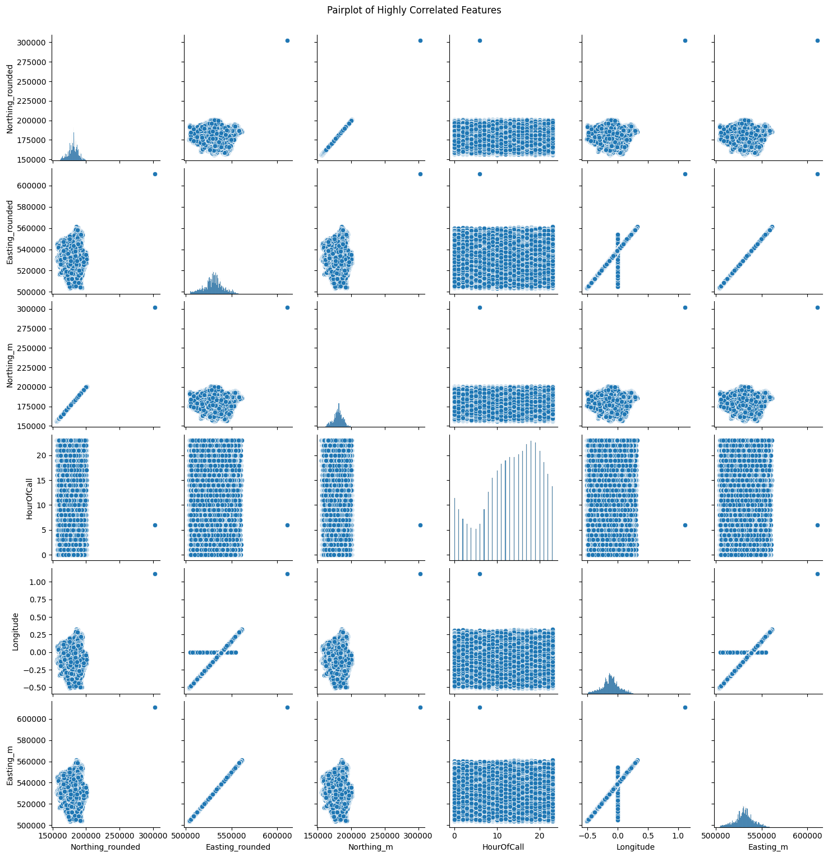
Cramér's V for categorical variables (1st): | Cramér's V for categorical variables (2nd): | percentage
IncidentGroup | StopCodeDescription | 1
PropertyCategory | PropertyType | 1
IncGeo_BoroughCode | IncGeo_BoroughName | 1
IncGeo_BoroughCode | ProperCase | 1
IncGeo_BoroughName | ProperCase | 1
IncGeo_WardName | IncGeo_WardNameNew | 1
IncGeo_BoroughCode | IncGeo_WardCode | 0.999
IncGeo_BoroughName | IncGeo_WardCode | 0.999
ProperCase | IncGeo_WardCode | 0.999
IncGeo_BoroughCode | IncGeo_WardName | 0.99
IncGeo_BoroughCode | IncGeo_WardNameNew | 0.99
IncGeo_BoroughName | IncGeo_WardName | 0.99
IncGeo_BoroughName | IncGeo_WardNameNew | 0.99
ProperCase | IncGeo_WardName | 0.99
ProperCase | IncGeo_WardNameNew | 0.99
IncGeo_WardCode | IncGeo_WardName | 0.927
IncGeo_WardCode | IncGeo_WardNameNew | 0.926
IncGeo_WardCode | IncidentStationGround | 0.902
IncGeo_WardName | IncidentStationGround | 0.896
IncGeo_WardNameNew | IncidentStationGround | 0.896
IncGeo_BoroughCode | IncidentStationGround | 0.891
IncGeo_BoroughName | IncidentStationGround | 0.891
ProperCase | IncidentStationGround | 0.891
IncGeo_BoroughCode | FirstPumpArriving_DeployedFromStation | 0.788
IncGeo_BoroughName | FirstPumpArriving_DeployedFromStation | 0.788
ProperCase | FirstPumpArriving_DeployedFromStation | 0.788
IncidentStationGround | FirstPumpArriving_DeployedFromStation | 0.743
IncidentGroup | SpecialServiceType | 0.707
IncGeo_WardName | FirstPumpArriving_DeployedFromStation | 0.691
IncGeo_WardNameNew | FirstPumpArriving_DeployedFromStation | 0.691
IncGeo_WardCode | FirstPumpArriving_DeployedFromStation | 0.689
IncidentGroup | PropertyType | 0.548
IncidentGroup | PropertyCategory | 0.461
PropertyType | AddressQualifier | 0.432
IncGeo_BoroughCode | SecondPumpArriving_DeployedFromStation | 0.424
IncGeo_BoroughName | SecondPumpArriving_DeployedFromStation | 0.424
ProperCase | SecondPumpArriving_DeployedFromStation | 0.424
PropertyCategory | AddressQualifier | 0.399
StopCodeDescription | PropertyType | 0.376
IncGeo_WardName | SecondPumpArriving_DeployedFromStation | 0.341
IncGeo_WardNameNew | SecondPumpArriving_DeployedFromStation | 0.341
StopCodeDescription | SpecialServiceType | 0.336
IncGeo_WardCode | SecondPumpArriving_DeployedFromStation | 0.336
IncidentGroup | AddressQualifier | 0.33
StopCodeDescription | PropertyCategory | 0.326
FirstPumpArriving_DeployedFromStation | SecondPumpArriving_DeployedFromStation | 0.319
IncidentStationGround | SecondPumpArriving_DeployedFromStation | 0.318
SpecialServiceType | PropertyCategory | 0.313
SpecialServiceType | PropertyType | 0.29
IncidentGroup | SecondPumpArriving_DeployedFromStation | 0.282
FirstPumpArriving_DeployedFromStation | Attendance_binned | 0.27
IncGeo_WardName | Attendance_binned | 0.244
IncGeo_WardNameNew | Attendance_binned | 0.244
IncGeo_WardCode | Attendance_binned | 0.241
PropertyCategory | IncGeo_WardCode | 0.214
PropertyCategory | IncGeo_WardName | 0.214
PropertyCategory | IncGeo_WardNameNew | 0.214
StopCodeDescription | AddressQualifier | 0.207
IncidentGroup | IncGeo_WardName | 0.202
IncidentGroup | IncGeo_WardNameNew | 0.202
IncidentGroup | IncGeo_WardCode | 0.193
SpecialServiceType | AddressQualifier | 0.189
IncidentGroup | FirstPumpArriving_DeployedFromStation | 0.185
PropertyCategory | IncidentStationGround | 0.177
SpecialServiceType | Attendance_binned | 0.161
StopCodeDescription | SecondPumpArriving_DeployedFromStation | 0.154
IncidentGroup | IncidentStationGround | 0.148
StopCodeDescription | IncGeo_WardName | 0.145
StopCodeDescription | IncGeo_WardNameNew | 0.145
AddressQualifier | IncGeo_WardCode | 0.143
PropertyCategory | SecondPumpArriving_DeployedFromStation | 0.142
IncidentStationGround | Attendance_binned | 0.139
AddressQualifier | IncGeo_WardName | 0.135
PropertyType | IncGeo_BoroughCode | 0.134
PropertyType | IncGeo_BoroughName | 0.134
PropertyType | ProperCase | 0.134
AddressQualifier | IncGeo_WardNameNew | 0.134
SecondPumpArriving_DeployedFromStation | Attendance_binned | 0.134
PropertyCategory | FirstPumpArriving_DeployedFromStation | 0.132
IncidentGroup | IncGeo_BoroughCode | 0.131
IncidentGroup | IncGeo_BoroughName | 0.131
IncidentGroup | ProperCase | 0.131
StopCodeDescription | IncGeo_WardCode | 0.129
PropertyType | Attendance_binned | 0.124
PropertyCategory | IncGeo_BoroughCode | 0.12
PropertyCategory | IncGeo_BoroughName | 0.12
PropertyCategory | ProperCase | 0.12
IncGeo_BoroughCode | Attendance_binned | 0.118
IncGeo_BoroughName | Attendance_binned | 0.118
ProperCase | Attendance_binned | 0.118
PropertyType | IncidentStationGround | 0.116
IncidentGroup | Attendance_binned | 0.111
SpecialServiceType | FirstPumpArriving_DeployedFromStation | 0.109
StopCodeDescription | FirstPumpArriving_DeployedFromStation | 0.106
PropertyType | IncGeo_WardName | 0.102
PropertyType | IncGeo_WardNameNew | 0.102
PropertyType | IncGeo_WardCode | 0.099
StopCodeDescription | Attendance_binned | 0.097
SpecialServiceType | SecondPumpArriving_DeployedFromStation | 0.096
AddressQualifier | IncidentStationGround | 0.093
AddressQualifier | FirstPumpArriving_DeployedFromStation | 0.093
StopCodeDescription | IncidentStationGround | 0.091
PropertyType | FirstPumpArriving_DeployedFromStation | 0.09
SpecialServiceType | IncGeo_WardName | 0.088
SpecialServiceType | IncGeo_WardNameNew | 0.088
SpecialServiceType | IncGeo_WardCode | 0.081
StopCodeDescription | IncGeo_BoroughCode | 0.079
StopCodeDescription | IncGeo_BoroughName | 0.079
StopCodeDescription | ProperCase | 0.079
AddressQualifier | IncGeo_BoroughCode | 0.076
AddressQualifier | IncGeo_BoroughName | 0.076
AddressQualifier | ProperCase | 0.076
PropertyCategory | Attendance_binned | 0.069
AddressQualifier | SecondPumpArriving_DeployedFromStation | 0.066
AddressQualifier | Attendance_binned | 0.064
PropertyType | SecondPumpArriving_DeployedFromStation | 0.063
SpecialServiceType | IncidentStationGround | 0.061
SpecialServiceType | IncGeo_BoroughCode | 0.049
SpecialServiceType | IncGeo_BoroughName | 0.049
SpecialServiceType | ProperCase | 0.049
IncidentGroup | FRS | 0
StopCodeDescription | FRS | 0
SpecialServiceType | FRS | 0
PropertyCategory | FRS | 0
PropertyType | FRS | 0
AddressQualifier | FRS | 0
IncGeo_BoroughCode | FRS | 0
IncGeo_BoroughName | FRS | 0
ProperCase | FRS | 0
IncGeo_WardCode | FRS | 0
IncGeo_WardName | FRS | 0
IncGeo_WardNameNew | FRS | 0
FRS | IncidentStationGround | 0
FRS | FirstPumpArriving_DeployedFromStation | 0
FRS | SecondPumpArriving_DeployedFromStation | 0
FRS | Attendance_binned | 0

